Question 2
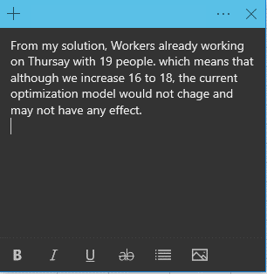
Quetsion B
Day | Mon | Tue | Wed | Thu | Fri | Sat | Sun | Total Staff
Workers needed | 14 | 13 | 15 | 16 -> 18 | 19 | 18 | 11 | 90
Actual Workers working | 14 | 14 | 15 | 19 | 19 | 18 | 11 | 110
starting shift | Mon-Fri | Tue-Sat | Wed-Sun | Thu-Mon | Fri-Tue | Sat-Wed | Sun-Thu
shift Number | #1 | #2 | #3 | #4 | #5 | #6 | #7
Staff Assign in shift | 4 | 7 | 1 | 7 | 0 | 3 | 0 | Total Staff in a week | 22

Question 3
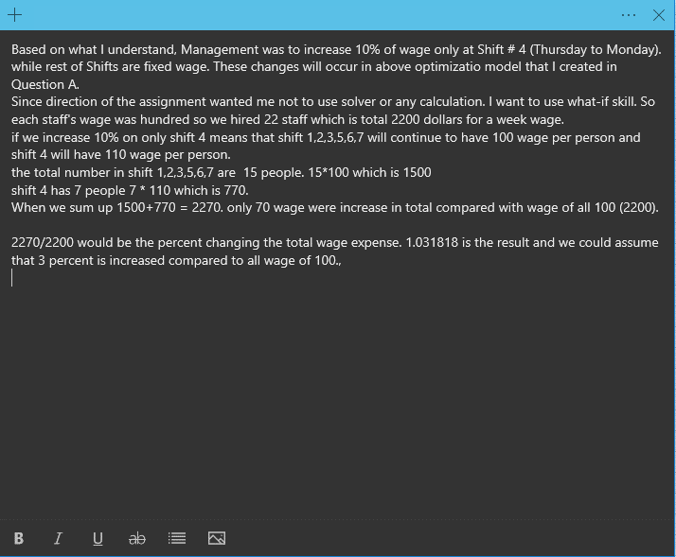
Quetsion C
Day | Mon | Tue | Wed | Thu | Fri | Sat | Sun | Total Staff
Workers needed | 14 | 13 | 15 | 16 | 19 | 18 | 11 | 106
Actual Workers working | 14 | 14 | 15 | 19 | 19 | 18 | 11 | 110
starting shift | Mon-Fri | Tue-Sat | Wed-Sun | Thu-Mon | Fri-Tue | Sat-Wed | Sun-Thu
shift Number | #1 | #2 | #3 | #4 | #5 | #6 | #7
Staff Assign in shift | 4 | 7 | 1 | 7 | 0 | 3 | 0 | Total Staff in a week | 22

Question 4
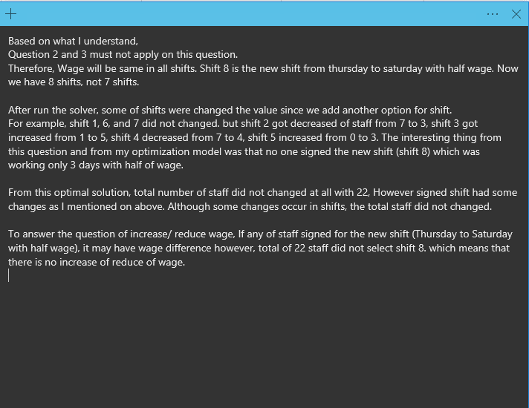
 | This is How I understand
 | Day | Mon | Tue | Wed | Thu | Fri | Sat | Sun
Shift # | Workers needed | 14 | 13 | 15 | 16 | 19 | 18 | 11 |  | Staff Assigned in Shift
1 | Monday starting shift | Working | Working | Working | Working | Working | OFF | OFF
2 | Tuesday starting shift | OFF | Working | Working | Working | Working | Working | OFF
3 | Wednesday starting shift | OFF | OFF | Working | Working | Working | Working | Working
4 | Thursday starting shift | Working | OFF | OFF | Working | Working | Working | Working
5 | Friday starting shift | Working | Working | OFF | OFF | Working | Working | Working
6 | Saturday starting shift | Working | Working | Working | OFF | OFF | Working | Working
7 | Sunday starting shift | Working | Working | Working | Working | OFF | OFF | Working
8 | Thurs - Sat | OFF | OFF | OFF | Working | Working | Working | OFF

 | Workers Working | Staff working at Mon | Staff working at Tue | Staff working at Wed | Staff working at Thu | Staff working at Fri | Staff working at Sat | Staff working at Sun |  | 0
 |  | Sum(C5~11 excep color) | Sum(D5~12 excep color) | Sum(E5~13 excep color) | SumF(5~14 excep color) | Sum(G5~15 excep color) | Sum(H5~16 excep color) | Sum(I5~17 excep color)
 | This is What I Have to Do
 | Quetsion A
 | Day | Mon | Tue | Wed | Thu | Fri | Sat | Sun |  | Total Staff
 | Workers needed | 14 | 13 | 15 | 16 | 19 | 18 | 11 |  | 106
 | Actual Workers working | 14 | 13 | 15 | 16 | 19 | 18 | 15 |  | 110
 | starting shift | Mon-Fri | Tue-Sat | Wed-Sun | Thu-Mon | Fri-Tue | Sat-Wed | Sun-Thu
 | shift Number | #1 | #2 | #3 | #4 | #5 | #6 | #7 | #8
 | Staff Assign in shift | 4 | 3 | 5 | 4 | 3 | 3 | 0 | 0 | Total Staff in a week | 22

 | From Question 1 to compare | 4 | 7 | 1 | 7 | 0 | 3 | 0

